Input
Cantilever R.C.C. Retaining Wall Design
by Mr. Win Aung Cho, P.E., C Eng, S.E., M.ASCE / 2018 |  |  |  |  |  |  |  |  | Version:1.1
Reference: STRUCTURAL CONCRETE, Theory and Design 6th Edition by M.Nadim Hassoun, Akthem Al-Manaseer
 | Back fill data
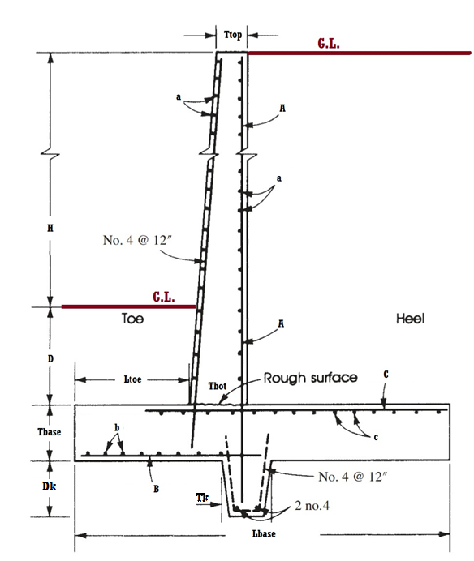
 | unit weight of soil | 110 | pcf |  | To be looked and corrected
 | internal friction | 30 | deg |  |  |  | Input
 |  |  |  |  |  |  | Trial input
 | Water table | 0 | ft |  |  |  | To be checked
 |  |  |  |  |  |  | Result
 | Surcharge | 300 | psf
 |  |  |  |  | Key locate at the center of the base
 | Height difference | 8 | ft | H
 | Height embedded | 2 | ft | D

 | Friction Conc-Soil | 0.35
 | Friction Soil-Soil | 0.5

 | Design Data
 | f'c | 2500 | psi
 | fy | 50000 | psi
 | Unit weight of Conc | 150 | pcf

 | Wall geometry

 | Height of wall | 10.00 | ft
 | Base Slab
 | Base thickness | 0.80 | ft | 1.00 | Tbase
 | Base length | 5.30 | ft | 7.00 | Lbase
 | Base projection | 1.70 | ft | 1.25 | Ltoe
 | Stem thickness
 | Top | 8.00 | in | 8.00 | Ttop
 | Bottom | 10.25 | in | 12.00 | Tbot
 | Key
 | Key Height |  | ft | 0.50 | Dk
 | Key Thickness |  | ft | 1.00 | Tk
 | Safety
 | Safety against overturning |  |  | 2.41 | > | 2
 | Base eccen. |  |  | 2.55 | > | 2.33

 | SF against sliding | 1.73 | > | 1.5
 | Reinforcement
 |  | Mu |  | b | h | d | Ru | ro | Ru(psi) | As(sqin) | Asmin | db(in) | spc(in)
 | Stem | 17777.78 | lb-ft | 12.00 | 12.00 | 9.50 | 196.98 | 0.0050 | 200.00 | 0.570 | 0.216 | 0.750 | 9.301 | A
 | Toe | 2278.03 | lb-ft | 12.00 | 12.00 | 9.50 | 25.24 | 0.0010 | 42.00 | 0.114 | 0.216 | 0.500 | 10.908 | B
 | Heel | 15940.41 | lb-ft | 12.00 | 12.00 | 9.50 | 176.62 | 0.0050 | 200.00 | 0.570 | 0.216 | 0.625 | 6.459 | C

 | Distribution bars
 |  | h | Asmin | 0.5As | db | spc(in)
 | Stem | 12 | 0.288 | 0.285 | 0.500 | 8.181 | a
 | Toe | 12 | 0.288 | 0.057 | 0.500 | 8.181 | b
 | Heel | 12 | 0.288 | 0.285 | 0.500 | 8.181 | c

